BAGS & BACKPACKS
 |  |  |  |  |  |  |  |  | 2,497
SAMPLE IMAGES | STYLE | NAME | PRODUCT LINE | DISPLAY NAME | CATEGORY | UPC CODE | COO | SIZE | QTY | RETAIL PRICE (USD)
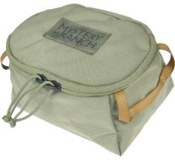 | 113205 | 113205-341-00 | Hunting | Anchor Point Cube-Ponderosa-OS | BAG | 888564212943 | VN | OS | 58 | USD 19.00
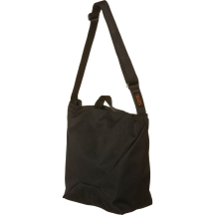 | 112626 | 112626-001-01 | Outdoor | Bindle 10-Black-OS | BAG | 888564221402 | VN | OS | 116 | USD 69.00
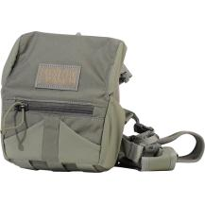 | 112524 | 112524-037-36 | Hunting | Bino Harness 10x-Foliage-Regular | BAG | 888564223482 | VN | Regular | 18 | USD 139.00
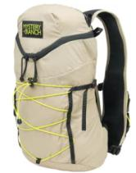 | 113089 | 113089-033-45 | Outdoor | Gallagator 10-Gravel-L/XL | BACKPACK | 888564209554 | VN | L/XL | 50 | USD 89.99
 | 113089 | 113089-033-25 | Outdoor | Gallagator 10-Gravel-S/M | BACKPACK | 888564212738 | VN | S/M | 84 | USD 89.99
 | 113089 | 113089-255-25 | Outdoor | Gallagator 10-Hummus Dobby-S/M | BACKPACK | 888564212745 | VN | S/M | 74 | USD 89.99
 | 113089 | 113089-632-45 | Outdoor | Gallagator 10-Paprika-L/XL | BACKPACK | 888564209585 | VN | L/XL | 11 | USD 89.99
 | 113089 | 113089-632-25 | Outdoor | Gallagator 10-Paprika-S/M | BACKPACK | 888564212769 | VN | S/M | 82 | USD 89.99
 | 112979 | 112979-001-45 | Outdoor | Gallagator 15-Black-L/XL | BACKPACK | 888564208175 | VN | L/XL | 70 | USD 99.00
 | 112979 | 112979-033-45 | Outdoor | Gallagator 15-Gravel-L/XL | BACKPACK | 888564208199 | VN | L/XL | 88 | USD 99.00
 | 112979 | 112979-447-45 | Outdoor | Gallagator 15-Pacific-L/XL | BACKPACK | 888564208205 | VN | L/XL | 90 | USD 99.00
 | 112979 | 112979-447-25 | Outdoor | Gallagator 15-Pacific-S/M | BACKPACK | 888564212806 | VN | S/M | 73 | USD 99.00
 | 112981 | 112981-033-45 | Outdoor | Gallagator 20-Gravel-L/XL | BACKPACK | 888564209486 | VN | L/XL | 125 | USD 109.00
 | 112981 | 112981-033-25 | Outdoor | Gallagator 20-Gravel-S/M | BACKPACK | 888564212899 | VN | S/M | 134 | USD 109.00
 | 112981 | 112981-255-45 | Outdoor | Gallagator 20-Hummus Dobby-L/XL | BACKPACK | 888564209493 | VN | L/XL | 2 | USD 109.00
 | 112981 | 112981-255-25 | Outdoor | Gallagator 20-Hummus Dobby-S/M | BACKPACK | 888564212905 | VN | S/M | 160 | USD 109.00
 | 112981 | 112981-447-45 | Outdoor | Gallagator 20-Pacific-L/XL | BACKPACK | 888564209509 | VN | L/XL | 119 | USD 109.00
 | 112981 | 112981-447-25 | Outdoor | Gallagator 20-Pacific-S/M | BACKPACK | 888564212912 | VN | S/M | 78 | USD 109.00
 | 112980 | 112980-001-45 | Outdoor | Gallagator 25-Black-L/XL | BACKPACK | 888564208366 | VN | L/XL | 70 | USD 129.00
 | 112980 | 112980-001-25 | Outdoor | Gallagator 25-Black-S/M | BACKPACK | 888564212837 | VN | S/M | 95 | USD 129.00
 | 112980 | 112980-213-25 | Outdoor | Gallagator 25-Fox-S/M | BACKPACK | 888564212844 | VN | S/M | 22 | USD 129.00
 | 112980 | 112980-255-45 | Outdoor | Gallagator 25-Hummus Dobby-L/XL | BACKPACK | 888564209448 | VN | L/XL | 55 | USD 129.00
 | 112980 | 112980-447-45 | Outdoor | Gallagator 25-Pacific-L/XL | BACKPACK | 888564209455 | VN | L/XL | 107 | USD 129.00
 | 112980 | 112980-447-25 | Outdoor | Gallagator 25-Pacific-S/M | BACKPACK | 888564212868 | VN | S/M | 85 | USD 129.00
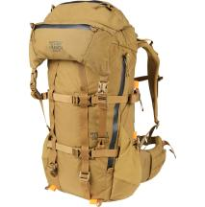 | 112966 | 112966-341-20 | Hunting | Metcalf 50 Men's-Ponderosa-S | BACKPACK | 888564208151 | VN | S | 1 | USD 519.00
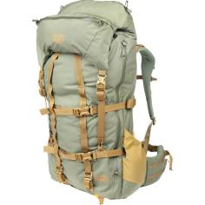 | 112961 | 112961-214-40 | Hunting | Metcalf 75 Men's-Buckskin-L | BACKPACK | 888564208441 | VN | L | 5 | USD 549.00
 | 112961 | 112961-214-30 | Hunting | Metcalf 75 Men's-Buckskin-M | BACKPACK | 888564208434 | VN | M | 3 | USD 549.00
 | 112961 | 112961-037-40 | Hunting | Metcalf 75 Men's-Foliage-L | BACKPACK | 888564208472 | VN | L | 5 | USD 549.00
 | 112961 | 112961-037-30 | Hunting | Metcalf 75 Men's-Foliage-M | BACKPACK | 888564208571 | VN | M | 14 | USD 549.00
 | 112961 | 112961-037-20 | Hunting | Metcalf 75 Men's-Foliage-S | BACKPACK | 888564208465 | VN | S | 2 | USD 549.00
 | 112961 | 112961-037-50 | Hunting | Metcalf 75 Men's-Foliage-XL | BACKPACK | 888564208489 | VN | XL | 2 | USD 549.00
 | 112961 | 112961-341-40 | Hunting | Metcalf 75 Men's-Ponderosa-L | BACKPACK | 888564208557 | VN | L | 1 | USD 549.00
 | 112961 | 112961-341-30 | Hunting | Metcalf 75 Men's-Ponderosa-M | BACKPACK | 888564208540 | VN | M | 1 | USD 549.00
 | 112961 | 112961-341-20 | Hunting | Metcalf 75 Men's-Ponderosa-S | BACKPACK | 888564208533 | VN | S | 1 | USD 549.00
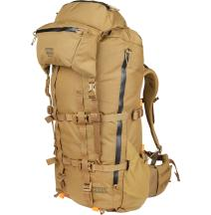 | 113097 | 113097-037-20 | Hunting | Metcalf 75 Women's-Foliage-S | BACKPACK | 888564209813 | VN | S | 1 | USD 549.00
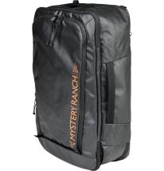 | 113178 | 113178-001-00 | Outdoor | Mission Rover 30-Black-OS | BACKPACK | 888564214589 | VN | OS | 94 | USD 229.00
 | 113178 | 113178-341-00 | Outdoor | Mission Rover 30-Ponderosa-OS | BACKPACK | 888564214602 | VN | OS | 52 | USD 229.00
NO IMAGE AVAILABLE | 112503 | 112503-001-00 | Outdoor | Mission Stuffel 45L-Black-OS | BACKPACK | 888564195451 | VN | OS | 118 | USD 119.00
 | 113140 | 113140-214-00 | Outdoor | Rip Ruck 20-Buckskin-OS | BACKPACK | 888564214732 | VN | OS | 18 | USD 149.99
 | 113140 | 113140-340-00 | Outdoor | Rip Ruck 20-Sagebrush-OS | BACKPACK | 888564214749 | VN | OS | 6 | USD 149.99
 | 113140 | 113140-011-00 | Outdoor | Rip Ruck 20-Shadow-OS | BACKPACK | 888564214756 | VN | OS | 4 | USD 149.99
 | 113076 | 113076-214-00 | Outdoor | Rip Ruck 24-Buckskin-OS | BACKPACK | 888564214770 | VN | OS | 182 | USD 169.99
 | 113076 | 113076-341-00 | Outdoor | Rip Ruck 24-Ponderosa-OS | BACKPACK | 888564214787 | VN | OS | 45 | USD 169.99
 | 113076 | 113076-011-00 | Outdoor | Rip Ruck 24-Shadow-OS | BACKPACK | 888564214794 | VN | OS | 70 | USD 169.99
 | 113076 | 113076-008-00 | Outdoor | Rip Ruck 24-Wildfire Black-OS | BACKPACK | 888564214961 | VN | OS | 6 | USD 169.99

APPAREL & ACCS
 |  |  |  |  |  |  |  |  | 13,126
SAMPLE IMAGES | STYLE | NAME | PRODUCT LINE | DISPLAY NAME | CATEGORY | UPC CODE | COO | SIZE | QTY | RETAIL PRICE (USD)
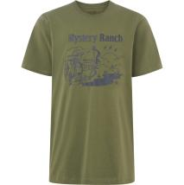 | 113250 | 113250-341-40 | Purchase to Sell | Archery Elk Tee-Ponderosa-L | APPAREL | 888564219782 | BD | L | 4 | USD 32.00
 | 113250 | 113250-341-30 | Purchase to Sell | Archery Elk Tee-Ponderosa-M | APPAREL | 888564219799 | BD | M | 4 | USD 32.00
 | 113250 | 113250-341-20 | Purchase to Sell | Archery Elk Tee-Ponderosa-S | APPAREL | 888564219805 | BD | S | 3 | USD 32.00
 | 113250 | 113250-341-50 | Purchase to Sell | Archery Elk Tee-Ponderosa-XL | APPAREL | 888564219812 | BD | XL | 3 | USD 32.00
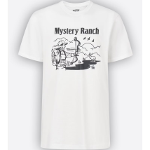 | 113250 | 113250-100-40 | Purchase to Sell | Archery Elk Tee-White-L | APPAREL | 888564219836 | BD | L | 4 | USD 32.00
 | 113250 | 113250-100-30 | Purchase to Sell | Archery Elk Tee-White-M | APPAREL | 888564219843 | BD | M | 4 | USD 32.00
 | 113250 | 113250-100-20 | Purchase to Sell | Archery Elk Tee-White-S | APPAREL | 888564219850 | BD | S | 3 | USD 32.00
 | 113250 | 113250-100-50 | Purchase to Sell | Archery Elk Tee-White-XL | APPAREL | 888564219867 | BD | XL | 3 | USD 32.00
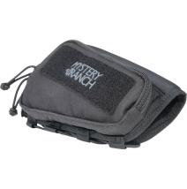 | 112924 | 112924-001-01 | Hunting | Cheeky Riser Righty-Black-OS | ACCESSORIES | 888564221495 | VN | OS | 4 | USD 69.00
 | 112924 | 112924-215-01 | Hunting | Cheeky Riser Righty-Coyote-OS | ACCESSORIES | 888564221501 | VN | OS | 4 | USD 69.00
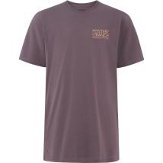 | 113245 | 113245-535-40 | Purchase to Sell | Comet Climber Tee-Moonshadow-L | APPAREL | 888564219683 | BD | L | 4 | USD 32.00
 | 113245 | 113245-535-30 | Purchase to Sell | Comet Climber Tee-Moonshadow-M | APPAREL | 888564219690 | BD | M | 4 | USD 32.00
 | 113245 | 113245-535-20 | Purchase to Sell | Comet Climber Tee-Moonshadow-S | APPAREL | 888564219706 | BD | S | 3 | USD 32.00
 | 113245 | 113245-535-50 | Purchase to Sell | Comet Climber Tee-Moonshadow-XL | APPAREL | 888564219713 | BD | XL | 3 | USD 32.00
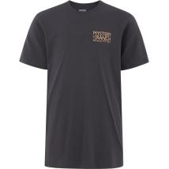 | 113245 | 113245-029-40 | Purchase to Sell | Comet Climber Tee-Onyx-L | APPAREL | 888564219737 | BD | L | 4 | USD 32.00
 | 113245 | 113245-029-30 | Purchase to Sell | Comet Climber Tee-Onyx-M | APPAREL | 888564219744 | BD | M | 4 | USD 32.00
 | 113245 | 113245-029-20 | Purchase to Sell | Comet Climber Tee-Onyx-S | APPAREL | 888564219751 | BD | S | 3 | USD 32.00
 | 113245 | 113245-029-50 | Purchase to Sell | Comet Climber Tee-Onyx-XL | APPAREL | 888564219768 | BD | XL | 3 | USD 32.00
 | 112766 | 112766-001-00 | Outdoor | District 2-Black-OS | ACCESSORIES | 888564199640 | VN | OS | 146 | USD 49.00
 | 112766 | 112766-446-00 | Outdoor | District 2-Dark Teal-OS | ACCESSORIES | 888564213865 | VN | OS | 149 | USD 49.00
 | 112766 | 112766-211-00 | Outdoor | District 2-Pebble-OS | ACCESSORIES | 888564213872 | VN | OS | 350 | USD 49.00
 | 112766 | 112766-837-00 | Outdoor | District 2-Sedona-OS | ACCESSORIES | 888564213889 | VN | OS | 8 | USD 49.00
 | 112766 | 112766-212-00 | Outdoor | District 2-Tiger's Eye-OS | ACCESSORIES | 888564213896 | VN | OS | 8 | USD 49.00
 | 112767 | 112767-001-00 | Outdoor | District 4-Black-OS | ACCESSORIES | 888564199602 | VN | OS | 306 | USD 59.00
 | 112767 | 112767-446-00 | Outdoor | District 4-Dark Teal-OS | ACCESSORIES | 888564213902 | VN | OS | 12 | USD 59.00
 | 112767 | 112767-211-00 | Outdoor | District 4-Pebble-OS | ACCESSORIES | 888564213919 | VN | OS | 126 | USD 59.00
 | 112904 | 112904-213-00 | Outdoor | District Pro-Fox-OS | ACCESSORIES | 888564213728 | VN | OS | 5 | USD 149.00
 | 112904 | 112904-235-00 | Outdoor | District Pro-Stone-OS | ACCESSORIES | 888564213735 | VN | OS | 51 | USD 149.00
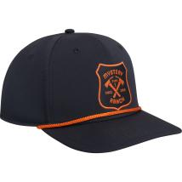 | 113255 | 113255-001-00 | Purchase to Sell | Fire Shield Hat-Black-OS | HEADWEAR | 888564220931 | CN | OS | 6 | USD 25.00
 | 113255 | 113255-308-00 | Purchase to Sell | Fire Shield Hat-Ivy-OS | HEADWEAR | 888564220948 | CN | OS | 6 | USD 25.00
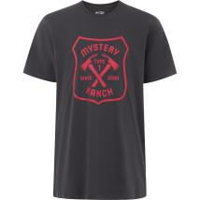 | 113251 | 113251-029-40 | Purchase to Sell | Fire Shield Tee-Onyx-L | APPAREL | 888564219935 | BD | L | 4 | USD 32.00
 | 113251 | 113251-029-30 | Purchase to Sell | Fire Shield Tee-Onyx-M | APPAREL | 888564219942 | BD | M | 4 | USD 32.00
 | 113251 | 113251-029-20 | Purchase to Sell | Fire Shield Tee-Onyx-S | APPAREL | 888564219959 | BD | S | 3 | USD 32.00
 | 113251 | 113251-029-50 | Purchase to Sell | Fire Shield Tee-Onyx-XL | APPAREL | 888564219966 | BD | XL | 3 | USD 32.00
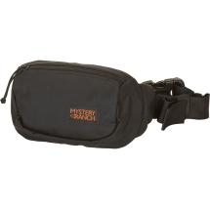 | 112624 | 112624-001-00 | Outdoor | Forager Hip Mini-Black-OS | ACCESSORIES | 888564194560 | VN | OS | 271 | USD 32.00
 | 112624 | 112624-001-01 | Outdoor | Forager Hip Mini-Black-OS | ACCESSORIES | 888564221730 | VN | OS | 243 | USD 32.00
 | 112624 | 112624-255-01 | Outdoor | Forager Hip Mini-Hummus Dobby-OS | ACCESSORIES | 888564221747 | VN | OS | 194 | USD 32.00
 | 112624 | 112624-339-01 | Outdoor | Forager Hip Mini-Noble Fir-OS | ACCESSORIES | 888564221754 | VN | OS | 116 | USD 32.00
 | 112623 | 112623-255-00 | Outdoor | Forager Hip Pack-Hummus Dobby-OS | ACCESSORIES | 888564207857 | VN | OS | 243 | USD 35.00
 | 112623 | 112623-255-01 | Outdoor | Forager Hip Pack-Hummus Dobby-OS | ACCESSORIES | 888564221808 | VN | OS | 138 | USD 35.00
 | 112623 | 112623-339-01 | Outdoor | Forager Hip Pack-Noble Fir-OS | ACCESSORIES | 888564221815 | VN | OS | 8 | USD 35.00
 | 112623 | 112623-447-01 | Outdoor | Forager Hip Pack-Pacific-OS | ACCESSORIES | 888564221822 | VN | OS | 9 | USD 35.00
 | 112623 | 112623-505-01 | Outdoor | Forager Hip Pack-Prince-OS | ACCESSORIES | 888564221846 | VN | OS | 9 | USD 35.00
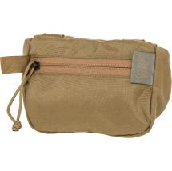 | 110863 | 110863-215-01 | Outdoor | Forager Pocket Large-Coyote-OS | ACCESSORIES | 888564221853 | VN | OS | 7 | USD 29.00
 | 110863 | 110863-037-01 | Outdoor | Forager Pocket Large-Foliage-OS | ACCESSORIES | 888564221860 | VN | OS | 10 | USD 29.00
 | 110863 | 110863-011-01 | Outdoor | Forager Pocket Large-Shadow-OS | ACCESSORIES | 888564221877 | VN | OS | 166 | USD 29.00
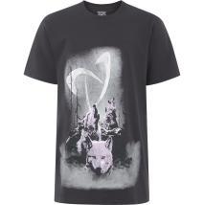 | 113249 | 113249-029-40 | Purchase to Sell | Hooooowlin' Tee-Onyx-L | APPAREL | 888564220030 | BD | L | 4 | USD 32.00
 | 113249 | 113249-029-30 | Purchase to Sell | Hooooowlin' Tee-Onyx-M | APPAREL | 888564220047 | BD | M | 4 | USD 32.00
 | 113249 | 113249-029-20 | Purchase to Sell | Hooooowlin' Tee-Onyx-S | APPAREL | 888564220054 | BD | S | 3 | USD 32.00
 | 113249 | 113249-029-50 | Purchase to Sell | Hooooowlin' Tee-Onyx-XL | APPAREL | 888564220061 | BD | XL | 3 | USD 32.00
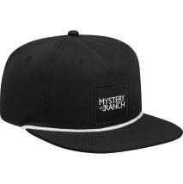 | 113256 | 113256-001-00 | Purchase to Sell | Logo Rope Hat-Black-OS | HEADWEAR | 888564221020 | CN | OS | 10 | USD 25.00
 | 113256 | 113256-250-00 | Purchase to Sell | Logo Rope Hat-Hummus-OS | HEADWEAR | 888564220993 | CN | OS | 8 | USD 25.00
 | 113256 | 113256-341-00 | Purchase to Sell | Logo Rope Hat-Ponderosa-OS | HEADWEAR | 888564221013 | CN | OS | 8 | USD 25.00
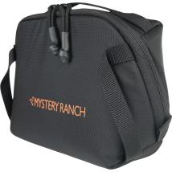 | 113069 | 113069-001-00 | Outdoor | Mission Control M-Black-OS | ACCESSORIES | 888564214459 | VN | OS | 383 | USD 59.00
 | 113069 | 113069-835-00 | Outdoor | Mission Control M-Hunter-OS | ACCESSORIES | 888564214466 | VN | OS | 163 | USD 59.00
 | 113069 | 113069-100-00 | Outdoor | Mission Control M-White-OS | ACCESSORIES | 888564214473 | VN | OS | 8 | USD 59.00
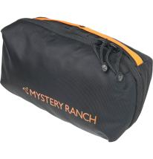 | 113228 | 113228-001-00 | Outdoor | Mission Dopp Small-Black-OS | ACCESSORIES | 888564214282 | VN | OS | 31 | USD 45.00
 | 113228 | 113228-341-00 | Outdoor | Mission Dopp Small-Ponderosa-OS | ACCESSORIES | 888564214305 | VN | OS | 27 | USD 45.00
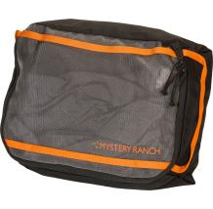 | 113158 | 113158-001-00 | Outdoor | Mission Packing Cube Large-Black-OS | ACCESSORIES | 888564213360 | VN | OS | 181 | USD 34.99
 | 113158 | 113158-037-00 | Outdoor | Mission Packing Cube Large-Foliage-OS | ACCESSORIES | 888564213322 | VN | OS | 6 | USD 34.99
 | 113158 | 113158-835-00 | Outdoor | Mission Packing Cube Large-Hunter-OS | ACCESSORIES | 888564213339 | VN | OS | 123 | USD 34.99
 | 113158 | 113158-100-00 | Outdoor | Mission Packing Cube Large-White-OS | ACCESSORIES | 888564213353 | VN | OS | 124 | USD 34.99
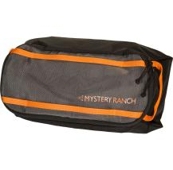 | 113159 | 113159-001-00 | Outdoor | Mission Packing Cube Medium-Black-OS | ACCESSORIES | 888564213445 | VN | OS | 3 | USD 29.99
 | 113159 | 113159-037-00 | Outdoor | Mission Packing Cube Medium-Foliage-OS | ACCESSORIES | 888564213407 | VN | OS | 42 | USD 29.99
 | 113159 | 113159-835-00 | Outdoor | Mission Packing Cube Medium-Hunter-OS | ACCESSORIES | 888564213414 | VN | OS | 120 | USD 29.99
 | 113159 | 113159-100-00 | Outdoor | Mission Packing Cube Medium-White-OS | ACCESSORIES | 888564213438 | VN | OS | 133 | USD 29.99
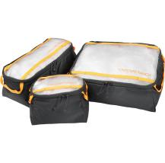 | 113161 | 113161-001-00 | Outdoor | Mission Packing Cube Set-Black-OS | ACCESSORIES | 888564213506 | VN | OS | 97 | USD 75.00
 | 113161 | 113161-037-00 | Outdoor | Mission Packing Cube Set-Foliage-OS | ACCESSORIES | 888564213469 | VN | OS | 10 | USD 75.00
 | 113161 | 113161-100-00 | Outdoor | Mission Packing Cube Set-White-OS | ACCESSORIES | 888564213490 | VN | OS | 41 | USD 75.00
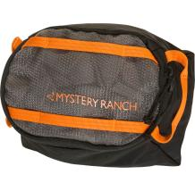 | 113160 | 113160-001-00 | Outdoor | Mission Packing Cube Small-Black-OS | ACCESSORIES | 888564213568 | VN | OS | 126 | USD 24.99
 | 113160 | 113160-037-00 | Outdoor | Mission Packing Cube Small-Foliage-OS | ACCESSORIES | 888564213520 | VN | OS | 57 | USD 24.99
 | 113160 | 113160-835-00 | Outdoor | Mission Packing Cube Small-Hunter-OS | ACCESSORIES | 888564213537 | VN | OS | 147 | USD 24.99
 | 113160 | 113160-100-00 | Outdoor | Mission Packing Cube Small-White-OS | ACCESSORIES | 888564213551 | VN | OS | 107 | USD 24.99
NO IMAGE AVAILABLE | 113109 | 113109-001-00 | Purchase to Sell | MR Brand Seal Hat-Black-OS | ACCESSORIES | 888564210208 |  | OS | 20 | USD 25.00
 | 113109 | 113109-311-00 | Purchase to Sell | MR Brand Seal Hat-Forest-OS | ACCESSORIES | 888564210215 |  | OS | 34 | USD 25.00
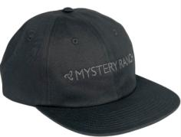 | 113108 | 113108-001-00 | Purchase to Sell | MR Camp Hat-Black-OS | ACCESSORIES | 888564210222 |  | OS | 8 | USD 29.00
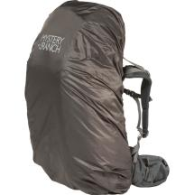 | 110905 | 110905-011-01 | Outdoor | Pack Fly Medium-Shadow-OS | ACCESSORIES | 888564222218 | VN | OS | 108 | USD 40.00
 | 110906 | 110906-820-00 | Outdoor | Pack Fly Small-Blaze Orange-OS | ACCESSORIES | 888564170557 | VN | OS | 4 | USD 35.00
 | 110906 | 110906-820-01 | Outdoor | Pack Fly Small-Blaze Orange-OS | ACCESSORIES | 888564222225 | VN | OS | 236 | USD 35.00
 | 110906 | 110906-011-00 | Outdoor | Pack Fly Small-Shadow-OS | ACCESSORIES | 888564180365 | VN | OS | 4 | USD 35.00
 | 110906 | 110906-011-01 | Outdoor | Pack Fly Small-Shadow-OS | ACCESSORIES | 888564222232 | VN | OS | 32 | USD 35.00
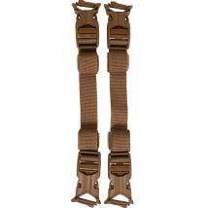 | 112420 | 112420-037-00 | Hunting | Quick Attach MT Accessory Straps-Foliage-OS | ACCESSORIES | 888564185254 | VN | OS | 12 | USD 29.00
 | 112420 | 112420-011-00 | Hunting | Quick Attach MT Accessory Straps-Shadow-OS | ACCESSORIES | 888564204405 | VN | OS | 12 | USD 29.00
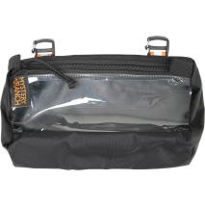 | 113238 | 113238-001-00 | Outdoor | Quick Attach Void Bag Medium-Black-OS | ACCESSORIES | 888564215203 | VN | OS | 367 | USD 26.00
 | 113238 | 113238-037-00 | Outdoor | Quick Attach Void Bag Medium-Foliage-OS | ACCESSORIES | 888564215210 | VN | OS | 376 | USD 26.00
 | 113238 | 113238-835-00 | Outdoor | Quick Attach Void Bag Medium-Hunter-OS | ACCESSORIES | 888564215227 | VN | OS | 290 | USD 26.00
 | 113236 | 113236-001-00 | Outdoor | Quick Attach Void Bag Small-Black-OS | ACCESSORIES | 888564215173 | VN | OS | 233 | USD 24.00
 | 113236 | 113236-037-00 | Outdoor | Quick Attach Void Bag Small-Foliage-OS | ACCESSORIES | 888564215180 | VN | OS | 213 | USD 24.00
NO IMAGE AVAILABLE | 113244 | 113244-471-40 | Purchase to Sell | Rip Zip Cowboy Tee-Lead-L | APPAREL | 888564220283 | BD | L | 4 | USD 32.00
 | 113244 | 113244-471-30 | Purchase to Sell | Rip Zip Cowboy Tee-Lead-M | APPAREL | 888564220290 | BD | M | 4 | USD 32.00
 | 113244 | 113244-471-20 | Purchase to Sell | Rip Zip Cowboy Tee-Lead-S | APPAREL | 888564220306 | BD | S | 3 | USD 32.00
 | 113244 | 113244-471-50 | Purchase to Sell | Rip Zip Cowboy Tee-Lead-XL | APPAREL | 888564220313 | BD | XL | 3 | USD 32.00
NO IMAGE AVAILABLE | 113252 | 113252-608-40 | Purchase to Sell | Rip Zip Moonwalker Tee-Redwood-L | APPAREL | 888564220382 | BD | L | 4 | USD 32.00
 | 113252 | 113252-608-30 | Purchase to Sell | Rip Zip Moonwalker Tee-Redwood-M | APPAREL | 888564220399 | BD | M | 4 | USD 32.00
 | 113252 | 113252-608-20 | Purchase to Sell | Rip Zip Moonwalker Tee-Redwood-S | APPAREL | 888564220405 | BD | S | 3 | USD 32.00
 | 113252 | 113252-608-50 | Purchase to Sell | Rip Zip Moonwalker Tee-Redwood-XL | APPAREL | 888564220412 | BD | XL | 3 | USD 32.00
NO IMAGE AVAILABLE | 113303 | 113303-001-00 | Purchase to Sell | Ross Peak Hat-Black-OS | HEADWEAR | 888564221037 | CN | OS | 8 | USD 25.00
 | 113303 | 113303-025-00 | Purchase to Sell | Ross Peak Hat-Outerspace-OS | HEADWEAR | 888564221044 | CN | OS | 8 | USD 25.00
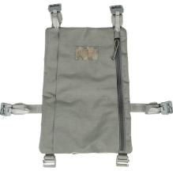 | 112970 | 112970-037-00 | Hunting | Stick-it Plus-Foliage-OS | ACCESSORIES | 888564207987 | VN | OS | 2 | USD 49.00
 | 112622 | 112622-001-01 | Outdoor | Street Market-Black-OS | ACCESSORIES | 888564222317 | VN | OS | 129 | USD 45.00
 | 112622 | 112622-250-00 | Outdoor | Street Market-Hummus-OS | ACCESSORIES | 888564194683 | VN | OS | 270 | USD 45.00
 | 113013 | 113013-001-01 | Outdoor | Tech Holster-Black-OS | ACCESSORIES | 888564222522 | VN | OS | 164 | USD 39.00
 | 113013 | 113013-037-00 | Outdoor | Tech Holster-Foliage-OS | ACCESSORIES | 888564209127 | VN | OS | 98 | USD 39.00
 | 113013 | 113013-033-00 | Outdoor | Tech Holster-Gravel-OS | ACCESSORIES | 888564209134 | VN | OS | 129 | USD 39.00
 | 113013 | 113013-341-00 | Outdoor | Tech Holster-Ponderosa-OS | ACCESSORIES | 888564209158 | VN | OS | 95 | USD 39.00
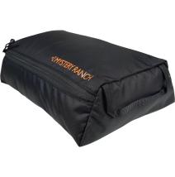 | 113073 | 113073-001-00 | Outdoor | Void Bag Large-Black-OS | ACCESSORIES | 888564213049 | VN | OS | 3 | USD 22.99
 | 113073 | 113073-037-00 | Outdoor | Void Bag Large-Foliage-OS | ACCESSORIES | 888564213001 | VN | OS | 184 | USD 22.99
 | 113073 | 113073-835-00 | Outdoor | Void Bag Large-Hunter-OS | ACCESSORIES | 888564213018 | VN | OS | 176 | USD 22.99
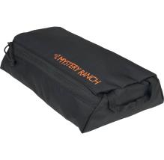 | 113074 | 113074-001-00 | Outdoor | Void Bag Medium-Black-OS | ACCESSORIES | 888564213087 | VN | OS | 171 | USD 19.99
 | 113074 | 113074-702-00 | Outdoor | Void Bag Medium-Coriander-OS | ACCESSORIES | 888564213094 | VN | OS | 12 | USD 19.99
 | 113074 | 113074-037-00 | Outdoor | Void Bag Medium-Foliage-OS | ACCESSORIES | 888564213100 | VN | OS | 36 | USD 19.99
 | 113074 | 113074-835-00 | Outdoor | Void Bag Medium-Hunter-OS | ACCESSORIES | 888564213117 | VN | OS | 250 | USD 19.99
NO IMAGE AVAILABLE | 113157 | 113157-702-00 | Hunting | Void Bag Set-Coriander-OS | ACCESSORIES | 888564213254 | VN | OS | 208 | USD 50.00
 | 113157 | 113157-037-00 | Hunting | Void Bag Set-Foliage-OS | ACCESSORIES | 888564213261 | VN | OS | 317 | USD 50.00
 | 113157 | 113157-835-00 | Hunting | Void Bag Set-Hunter-OS | ACCESSORIES | 888564213278 | VN | OS | 310 | USD 50.00
 | 113157 | 113157-505-00 | Outdoor | Void Bag Set-Prince-OS | ACCESSORIES | 888564213285 | VN | OS | 19 | USD 50.00
 | 113157 | 113157-100-00 | Hunting | Void Bag Set-White-OS | ACCESSORIES | 888564213292 | VN | OS | 141 | USD 50.00
 | 113071 | 113071-001-00 | Outdoor | Void Bag Small-Black-OS | ACCESSORIES | 888564213193 | VN | OS | 275 | USD 18.00
 | 113071 | 113071-702-00 | Outdoor | Void Bag Small-Coriander-OS | ACCESSORIES | 888564213148 | VN | OS | 42 | USD 18.00
 | 113071 | 113071-037-00 | Outdoor | Void Bag Small-Foliage-OS | ACCESSORIES | 888564213155 | VN | OS | 50 | USD 18.00
 | 113071 | 113071-835-00 | Outdoor | Void Bag Small-Hunter-OS | ACCESSORIES | 888564213162 | VN | OS | 39 | USD 18.00
 | 113071 | 113071-505-00 | Outdoor | Void Bag Small-Prince-OS | ACCESSORIES | 888564213179 | VN | OS | 138 | USD 18.00
 | 113071 | 113071-100-00 | Outdoor | Void Bag Small-White-OS | ACCESSORIES | 888564213186 | VN | OS | 329 | USD 18.00
NO IMAGE AVAILABLE | 113237 | 113237-001-00 | Outdoor | Void Cell-Black-OS | ACCESSORIES | 888564215142 | VN | OS | 140 | USD 55.00
 | 113237 | 113237-037-00 | Outdoor | Void Cell-Foliage-OS | ACCESSORIES | 888564215159 | VN | OS | 170 | USD 55.00
 | 113237 | 113237-835-00 | Outdoor | Void Cell-Hunter-OS | ACCESSORIES | 888564215166 | VN | OS | 173 | USD 55.00
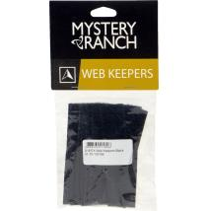 | 110449 | 110449-215-00 | Outdoor | Web Keepers-Coyote-OS | ACCESSORIES | 888564171813 | VN | OS | 17 | USD 12.00
 | 110449 | 110449-037-00 | Outdoor | Web Keepers-Foliage-OS | ACCESSORIES | 888564171820 | VN | OS | 103 | USD 12.00
 | 110449 | 110449-011-00 | Outdoor | Web Keepers-Shadow-OS | ACCESSORIES | 888564192351 | VN | OS | 137 | USD 12.00
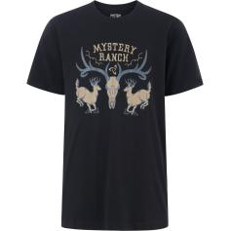 | 113246 | 113246-001-40 | Purchase to Sell | Whitetail Ranch Tee-Black-L | APPAREL | 888564220535 | BD | L | 4 | USD 32.00
 | 113246 | 113246-001-30 | Purchase to Sell | Whitetail Ranch Tee-Black-M | APPAREL | 888564220542 | BD | M | 4 | USD 32.00
 | 113246 | 113246-001-20 | Purchase to Sell | Whitetail Ranch Tee-Black-S | APPAREL | 888564220559 | BD | S | 3 | USD 32.00
 | 113246 | 113246-001-50 | Purchase to Sell | Whitetail Ranch Tee-Black-XL | APPAREL | 888564220566 | BD | XL | 3 | USD 32.00
 | 113246 | 113246-100-40 | Purchase to Sell | Whitetail Ranch Tee-White-L | APPAREL | 888564220580 | BD | L | 4 | USD 32.00
 | 113246 | 113246-100-30 | Purchase to Sell | Whitetail Ranch Tee-White-M | APPAREL | 888564220597 | BD | M | 4 | USD 32.00
 | 113246 | 113246-100-20 | Purchase to Sell | Whitetail Ranch Tee-White-S | APPAREL | 888564220603 | BD | S | 3 | USD 32.00
 | 113246 | 113246-100-50 | Purchase to Sell | Whitetail Ranch Tee-White-XL | APPAREL | 888564220610 | BD | XL | 3 | USD 32.00
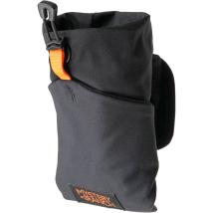 | 112810 | 112810-001-01 | Outdoor | Wingman AFP-Black-OS | ACCESSORIES | 888564222607 | VN | OS | 132 | USD 29.00
 | 112810 | 112810-037-00 | Outdoor | Wingman AFP-Foliage-OS | ACCESSORIES | 888564202470 | VN | OS | 129 | USD 29.00
 | 112810 | 112810-037-01 | Outdoor | Wingman AFP-Foliage-OS | ACCESSORIES | 888564222614 | VN | OS | 297 | USD 29.00
 | 112810 | 112810-211-01 | Outdoor | Wingman AFP-Pebble-OS | ACCESSORIES | 888564222621 | VN | OS | 301 | USD 29.00
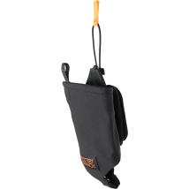 | 112809 | 112809-001-01 | Outdoor | Wingman Hydro-Black-OS | ACCESSORIES | 888564222638 | VN | OS | 234 | USD 29.00
 | 112809 | 112809-037-01 | Outdoor | Wingman Hydro-Foliage-OS | ACCESSORIES | 888564222645 | VN | OS | 260 | USD 29.00
 | 112809 | 112809-211-01 | Outdoor | Wingman Hydro-Pebble-OS | ACCESSORIES | 888564222652 | VN | OS | 93 | USD 29.00
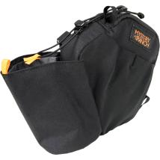 | 112811 | 112811-001-00 | Outdoor | Wingman Multi Pocket-Black-OS | ACCESSORIES | 888564203828 | VN | OS | 312 | USD 49.00
 | 112811 | 112811-001-01 | Outdoor | Wingman Multi Pocket-Black-OS | ACCESSORIES | 888564222669 | VN | OS | 12 | USD 49.00
 | 112811 | 112811-011-00 | Outdoor | Wingman Multi Pocket-Shadow-OS | ACCESSORIES | 888564203811 | VN | OS | 319 | USD 49.00
 | 112811 | 112811-011-01 | Outdoor | Wingman Multi Pocket-Shadow-OS | ACCESSORIES | 888564222676 | VN | OS | 55 | USD 49.00

